Screen Shots
1

2

3
 | Dress Code Policy PDF

 | file:///C:/Users/XPRL746/Downloads/pdf_e_hr_dress_code_policy.pdf

4

5

6

7

8

9

10

11


12


 |  | 2 different brochures

13
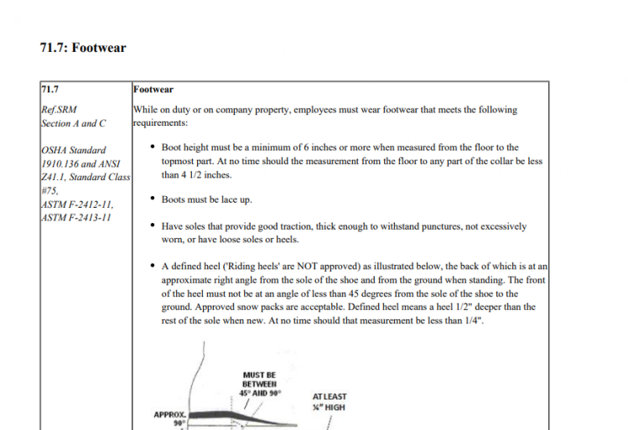

14
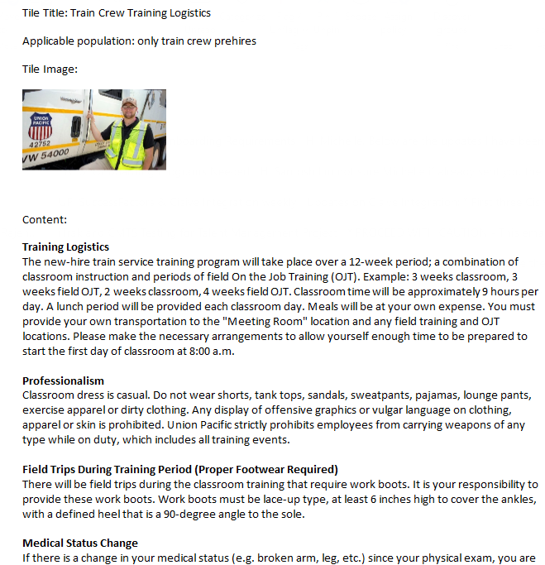


15

Banking Requirements
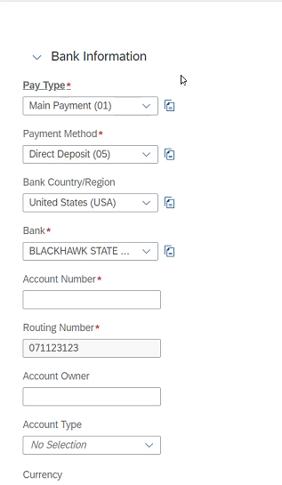
Current Fields |  |  | 4/4 Meeting
Pay Type | Rules: | Additional Rules: | At the top of the "Banking Information" section, include verbiage that says "This step is required. Please provide your bank details to issue payments to you. Failure to complete this step may result in delay of payment." 4/10/23- we are limited by a 128 character limit. Monica and Marisa worked to come up with the updated verbiage requirement of "Bank Info-This step is required- please provide your bank details. Failure to complete this step may result in delay of payment."
2 selections: Main Payment (01) Other (02) | 2 options from UP: 1st and best option for Phase 1: Only 1 payment option. Main Payment (01). If this would require too much rework for 'GO LIVE' then, Option 2. When, 'Other(02)' payment option is added, add business rules to make sure that Main payment always has payment and that with 'Other(02)' or more payments being added, the payment alotments are not exceeding 100%. | At least one Payment record is required when Onboarding.
Payment Method: Direct Deposit (05) | Already set to only be Direct Deposit
Bank Country/Region United States (USA) | This should auto default to United States (USA) Further discussion needs to be vetted out on Foreign Employees: Foreign Employees- manually update their payment type to check and ACH/wire funds to bank. UP does not keep Foreign Banks in their records today. Not far enough along to give requirements to support ACH/Wire =Foreign deposit (under payment methods) for Foreign Employees. Notification sent to Finance to set up Foreign Employee- may be an SAP notification. MX hires? Did Ashlee and Wison configure? UPD to MX employees added to this bucket.
Bank: | If Bank entered, then, routing number should auto populate. (Per VP this should be working PB3) If VP can add business rule to have routing number select bank, then don’t need label change. | Align 3 fields together: Bank, Account Number, Routing Number. UP would prefer Routing number above Bank. | Add Routing number verbiage to the "Bank" section. Verbiage should be "Enter routing number to easily search for your bank."
Account Owner: | No Changes
2 Selections: Account Type: Checking (C) Savings (S) | No changes
Routing Number: | Add business rule->if user enters routing number, then, auto select bank based on routing number and auto enter bank for user. |  | Make the "Routing Number" section read only after it pulls in the routing number from the Routing number when they have selected the Bank.
Account Number: | No Changes
Currency: US Dollar (USD) | Currency-Read only- should not be able to change it.

 |  |  | *** Need to add a story report to bring in any candidates that have not completed banking details.

 |  |  | ***Per Finance-if banking details left blank-default to check when prehire integration is ran.

Sign Offs
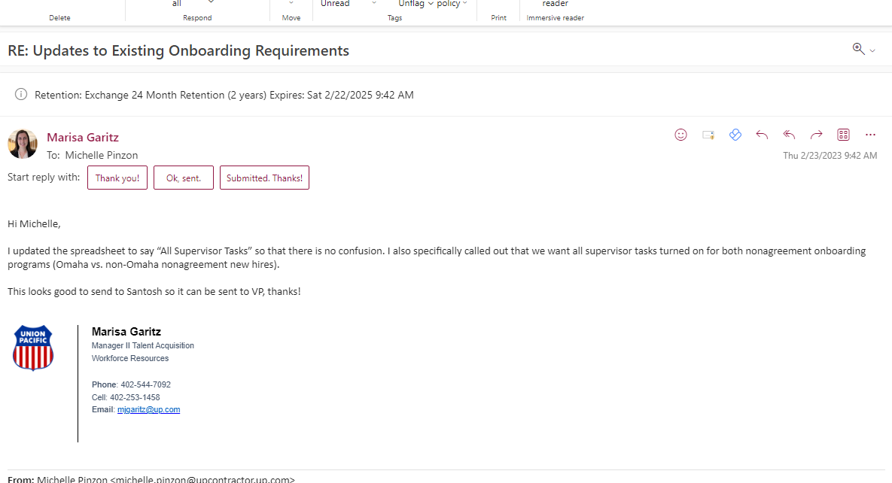
Version 1

